Instruções
Olá galera, último desafio de Excel
Quase tudo vimos no desafio de Excel, tem algumas funções a mais mas são bestas, é literamenta parar para ler direito os seus argumentos e pronto. Elas estão descritas como devem ser feitas, caso de dúvida entrar em contato comigo. Boa sorte! Vocês são show!

ABAIXO ESTÃO AS IMAGENS DAS TABELAS DE COMO ELAS DEVEM FICAR


OPCIONAL: Depois que terminar tudo na PLANILHA 2. Experimente Clicar na Seta e mudar o nome do item:

E veja o que acontece com a coluna Item Code e Details/Description
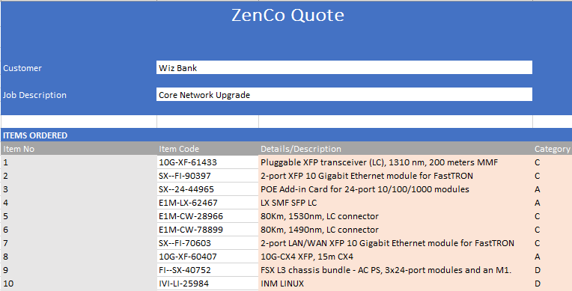

PLANILHA 1 FINAL:

